Energy_item
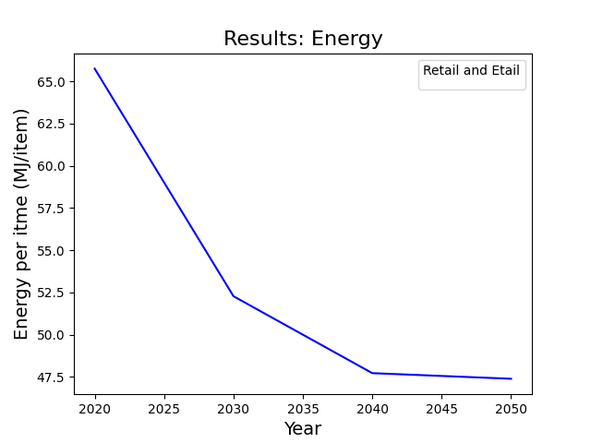
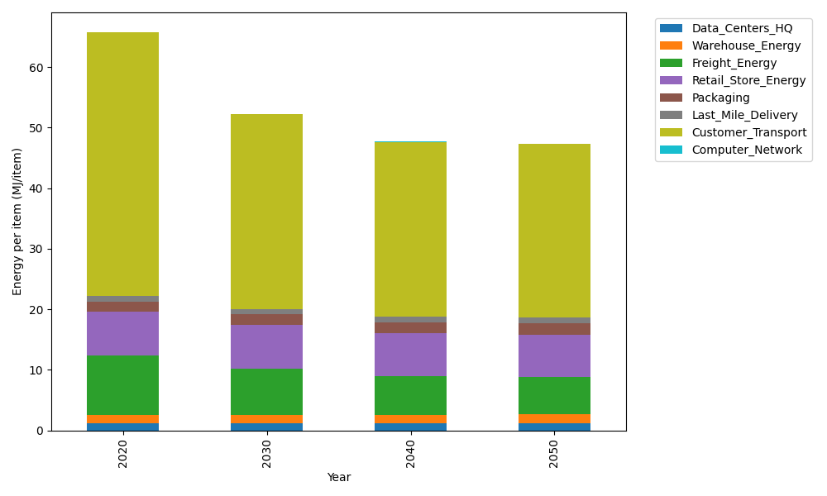
Years | Data_Centers_HQ | Warehouse_Energy | Freight_Energy | Retail_Store_Energy | Packaging | Last_Mile_Delivery | Customer_Transport | Computer_Network | Total
2020 | 1.2374584274 | 1.3413364871 | 9.7436870591 | 7.3075886387 | 1.6927150441 | 0.95174353382 | 43.437855995 | 0.042975419126 | 65.755360605
2030 | 1.2397219556 | 1.3560570783 | 7.624126235 | 7.1834666191 | 1.7462883025 | 0.93850050533 | 32.135008921 | 0.047792234271 | 52.270961851
2040 | 1.2422748663 | 1.3726596348 | 6.4100549092 | 7.0434761256 | 1.8067106748 | 0.98375477654 | 28.801628111 | 0.053224858807 | 47.713783957
2050 | 1.2443556827 | 1.3861919813 | 6.2495433019 | 6.9293732242 | 1.8559595045 | 1.0549038724 | 28.602745374 | 0.057652861067 | 47.380725802

CO2_item
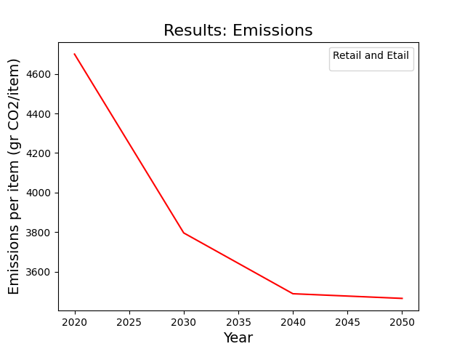
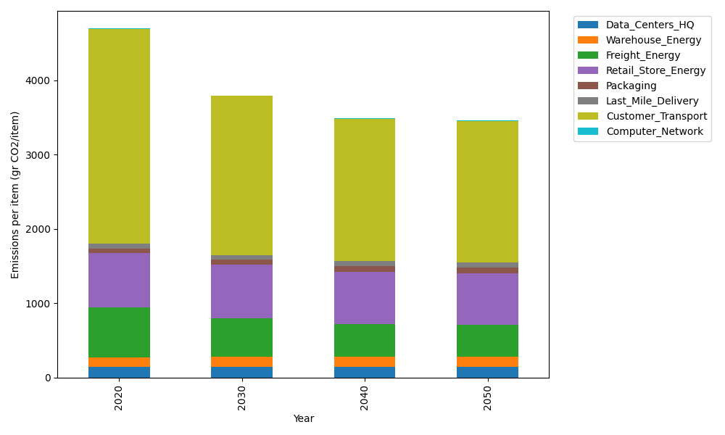
Years | Data_Centers_HQ | Warehouse_Energy | Freight_Energy | Retail_Store_Energy | Packaging | Last_Mile_Delivery | Customer_Transport | Computer_Network | Total
2020 | 140.15294768 | 133.90421398 | 668.07848411 | 728.75118621 | 65.626469552 | 65.330653179 | 2890.5402179 | 7.2489564156 | 4699.633129
2030 | 140.45160425 | 135.38025855 | 522.50016481 | 716.37308537 | 70.965623159 | 64.42161028 | 2138.4005623 | 8.0614414071 | 3796.5543502
2040 | 140.78844279 | 137.04500915 | 439.06660572 | 702.41249683 | 76.987364916 | 67.528005009 | 1916.583185 | 8.9777991597 | 3489.3889086
2050 | 141.06299183 | 138.40190754 | 427.97041647 | 691.03355518 | 81.895542527 | 72.411901498 | 1903.3486794 | 9.724700436 | 3465.8496949

